추출 1
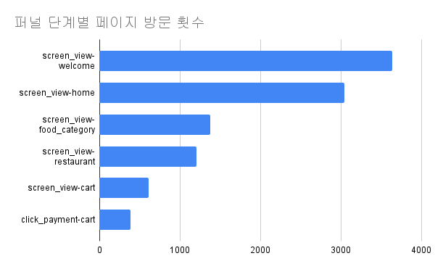
event_date | screen_view-welcome | screen_view-home | screen_view_food-category | screen_view-restaurant | screen_view-cart | click_payment-cart
2022-08-01 | 156 | 129 | 51 | 48 | 22 | 12
2022-08-02 | 159 | 137 | 66 | 63 | 35 | 21
2022-08-03 | 180 | 153 | 67 | 58 | 32 | 24
2022-08-04 | 167 | 146 | 57 | 56 | 21 | 12
2022-08-05 | 172 | 148 | 65 | 46 | 23 | 10
2022-08-06 | 187 | 153 | 59 | 54 | 33 | 22
2022-08-07 | 199 | 161 | 65 | 49 | 27 | 19
2022-08-08 | 176 | 139 | 51 | 46 | 26 | 11
2022-08-09 | 179 | 145 | 62 | 54 | 30 | 19
2022-08-10 | 210 | 169 | 69 | 58 | 17 | 10
2022-08-11 | 197 | 161 | 77 | 56 | 28 | 18
2022-08-12 | 201 | 172 | 71 | 61 | 25 | 18
2022-08-13 | 233 | 188 | 78 | 76 | 32 | 17
2022-08-14 | 240 | 199 | 75 | 66 | 25 | 13
2022-08-15 | 252 | 218 | 177 | 158 | 110 | 86
2022-08-16 | 260 | 218 | 80 | 70 | 37 | 22
2022-08-17 | 300 | 250 | 113 | 97 | 46 | 31
2022-08-18 | 283 | 239 | 100 | 100 | 46 | 24

퍼널 데이터 시각화

